Sheet1
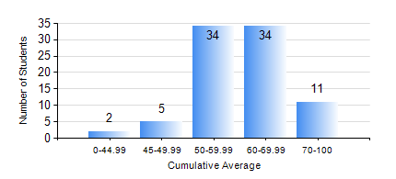
 |  |  | KWAME NKRUMAH UNIVERSITY OF SCIENCE AND TECHNOLOGY, KUMASI Department of Telecommunication Engineering

 |  |  | BSC. TELECOMMUNICATION ENG.

 |  |  | COMPREHENSIVE RECORD OF EXAMINATION RESULTS

 |  |  | RESULTS OF YEAR 3 SECOND SEMESTER, 2018/2019 ACADEMIC YEAR

 | Sn | Course Code |  | Course Name | Credit Hours | Min. Mark | Max. Mark | Avg. Mark | Std. Dev. | No. Passed | No. Trailed | No. (Df) | No. (I) | No. (I*) | No. Tagged(I,I*,Df) | Total
 | 0. |  |  |  |  |  |  | 0 | 0 | 0 | 0 | 0 | 0 | 0 | 0 | 4
 | 1. | TE 362 |  | TELECOMMUNICATION INFRASTRUCTURE | 2 | 40 | 82 | 59 | 12.06 | 82 | 0 | 0 | 0 | 0 | 0 | 82
 | 2. | TE 364 |  | COMMUNICATION CIRCUITS | 2 | 40 | 83 | 56 | 9.38 | 82 | 0 | 0 | 0 | 0 | 0 | 82
 | 3. | TE 372 |  | ANTENNAS AND PROPAGATION | 3 | 45 | 97 | 68 | 13.07 | 82 | 0 | 0 | 0 | 0 | 0 | 82
 | 4. | TE 382 |  | DATA COMMUNICATION NETWORKS | 3 | 0 | 80 | 53 | 14.19 | 77 | 5 | 0 | 0 | 0 | 0 | 82
 | 5. | TE 384 |  | SWITCHING ENGINEERING IN COMMUNICATION | 3 | 26 | 79 | 54 | 12.11 | 77 | 5 | 0 | 0 | 0 | 0 | 82
 | 6. | TE 386 |  | DIGITAL COMMUNICATION SYSTEMS | 3 | 23 | 92 | 66 | 17.2 | 76 | 6 | 0 | 0 | 0 | 0 | 82
 | 7. | TE 392 |  | TELECOMMUNICATION LAB IV | 2 | 53 | 87 | 71 | 8.14 | 82 | 0 | 0 | 0 | 0 | 0 | 82

